instructions
FACET WIH WASH in Health - Facility Evaluation Tool

INSTRUCTIONS
The instructions given hereunder aim at providing implementing partners the knowledge to understand how an XLS form works so that they can adapt FACET WIH to their needs. It is however far from sufficient to learn how to set up a survey from scratch.
Table of content I. Understanding the format II. Adapting the survey to the local context II.1. Adding a new language II.2. Adapting choices II.3. Adding pictures II.4. Changing constraints II.5. Adapting mandatory questions settings II.6. Wording modification III. Adding new questions IV. Appearance modifications V. Preparing the analysis VI. General settings VII. Testing the form
I. Understanding the format

A specific colour scheme has been set up in FACET WIH to make modification easier by partners:
è Anything in orange needs (or may need) to be adapted / modified before a given deployment (see part II.1 and II.2 of this tab).
è Anything in red corresponds to optional questions that are "hidden" by default (using the impossible constraint 1=2) but can be made to appear if these questions are necessary for a given deployment (this is done by deleting the impossible constraint)
è We highly recommend that any questions or choices that are added to the form by partner organizations be done so in green to facilitate comparison between the original FACET WIH and the partner version (in particular for troubleshooting)
Some cells have also been “protected” (which means a user cannot modify them) as the modification of these cells would have a strong impact either on the calculations, skip patterns etc in the form or on the analysis tools that have been made available in Excel to create the minimum indicators easily.
Moreover, any question in bold should never be modified (except labels or hints if required). These questions correspond to core questions used in the calculation of the core indicators or questions used in calculation of other parameters. Any modification of these questions may lead to important errors in the form itself and while using the Analysis tools.

II. Adapting the survey to the local context

You will find here all the explanations concerning what modifications can be made and how to make them whilst respecting the general format (as an error in the format can be extremely detrimental to your survey!)
Feel free to adapt question labels if you find that they are not sufficiently explicit in a given country (while avoiding changing the sense completely- if you want to change the sense completely, prefer hiding a question and adding a new one).

Make sure when you make modifications to always save the form with an updated version name to facilitate understanding (and also the updating of the versions on the phones). This should be done in the settings worksheet in the form_title, "form_id" (be careful, there can be no spaces or special characters here, this is the real ID of the form) and "version".

II.1. Adapting choices

In the choices worksheet, a few lists will always need to be adapted to the local context such as administrative levels or names of health facilities. Additional lists may need to be adapted to the local context (ie. the type of toilets, functions of health facility staff, etc.)

You can modify the text in orange, delete a line or add a new line for new options if needed. Just make sure you fill the different columns for these new lines in accordance with the existing lines (ie. copy the list name from above, keep the same pattern of "name", etc). Do not reuse an existing ID for a new value created (even if past ID was deleted), to render future comparisons possible with other contexts if needed.

II.2. Wording modification

Some wording might also need to be changed for certain questions to make them more explicit. Make sure you modify nothing that will complicate comparisons in the long run and to keep to the existing values when possible. The "hint" column can be very useful to use in order to explain definitions or local aspects that you would like to point out beyond the actual option lists. If there is a new element you would like to add to a list of possible answers, prefer the creation of a new label and new "name" rather than modifying an existing one to avoid confusions in the long run. Please colour in orange any cell you have modified, so that anyone reusing the same survey may see what is different from the standard FACET WIH survey, and anything you add in green.

II.3. Adding a new language

If in a given context another language needs to be added to the survey, you can add two columns for each language (one “label::nameoflanguage” and one “hint::nameoflanguage”) as you can see in the print screen below. Other than that a column name must never be changed. Please also avoid changing the order of the columns, as this might complicate things if you need to copy and paste elements from another survey at some point. Once you've added the columns, the translation of each question (and hint) must be entered for the questions you are going to use.

II.4. Adding pictures

For some questions, pictures could be added to help enumerators / interviewers to better understand the possible answers. This can make the form a little heavier so only use it if you are sure it will be useful.

In case you decide to include pictures, they need to be local pictures (adapted to the context). Make sure that the name in the survey worksheet in the “media::image" column is the same as the one you have determined (try to keep to a standard photo format).

The functioning mode to upload pictures to the server can differ from one tool to the other. On Kobo, just add them to the project settings by following the print screen steps
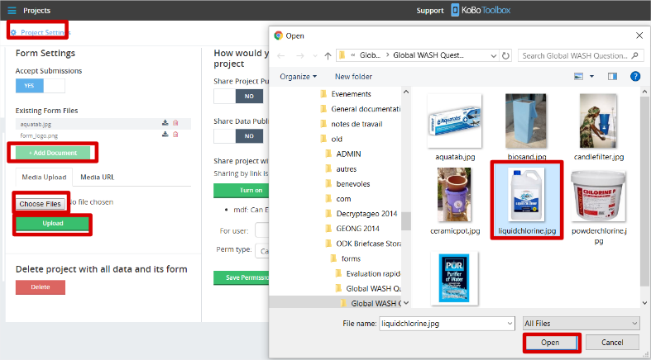

II.5. Changing constraints

Different questions in the survey can have constraints that are changed depending on your knowledge of the local context.

II.6. Adapting mandatory questions settings

The partner can choose to make mandatory some questions that are not mandatory today if it is important for his analysis to have a full database on a given question. For this all that is necessary is to add a “yes” to the “required” column in the survey worksheet- make sure however that this is not set up for any question that:
· Is of a type that does not require human action (ex: “calculate”, “note”, “select_multiple” when ticking none of the choices is valid…), otherwise this will block your enumerator!
· cannot in all cases be filled, for technical reasons (ie GPS points, where a problem with the phone can always occur…)
It is also possible to decide that some of the currently mandatory questions do not need to be mandatory in a given context. In this case, delete "yes" in the "required" column of the survey worksheet. Please remember that bold questions should not be modified.

III. Adding new questions

Questions can be added by the partner depending on his need. To facilitate analysis we recommend following the patterns set up for other questions (ie. name of question, name of choices, etc). Keep track of addition by writing them in GREEN - it will help any remote suppport and debugging. It is highly recommended to already have some experience in XLS form coding before starting to add new questions. At minimal, fully document yourself before doing so in order to avaid numerous errors appearing in the survey after modifications. Check associated documentation proposed in the introduction worksheet.
When you add a question, you must also make sure that you fill in the "analysis" column, which will define in which tab of the Kobo Analyser your question results will appear. Check the associated documentation for more information
The numbering of the questions can be tricky. This has been set up to facilitate understanding and use in the Analysis tools. Please do not modify the numbering of existing questions to avoid a discrepancy with the Global form. You can either add an intermediary level (A.1.b. for example) or else put it at the end of a module when it makes sense to do so, or create a new module. We suggest you follow the actual pattern for "If other, please specify" questions, keeping the same number as the previous question.

IV. Appearance modifications

Different appearance settings can be modified, in particular to view different questions on the same screen. You can check associated documentation proposed in the introduction worksheet to know more - however, for most surveys that are used in very different settings with different phones, we do not recommend any changes.

V. Preparing the analysis

In the FACET WIH Analysis tool, a "dashboard" is set up for the core indicators to be easily analysed. As you may desire to visualise other indicators as well and in order to simplify their visulation in the Analysis tool, it is possible to specify which questions should appear for each graph type. This is set in the "Analysis" column of the survey worksheet.

Don't hesitate to hide the columns other than the label and the Analysis to make it easier to set up.

By entering the following letters in the “analysis” column, you can decide in which tab(s) of the Analysis tool the questions will be available to graph:
- C: Choice - U: Unique - V: Value
If you add a D for Disaggregation it will mean that you can disagregate the answers in the Choice, Unique and Value tabs by the results of the questions chosen (by block, cluster, etc)

Remark: The "Use 'analysis' Column" box has to be checked in the config worksheet of the Analysis tool if you want questions to be graphed only for the specified graph types. If this box is unchecked, all questions are available for all possible graph types.

VI. General settings

A few other settings can be adapted in the form in the settings worksheet:
è Name, ID and default language of the form

A good practice is to keep the main version name (ie “V21”) and if you make some small modifications you can add a subnumber (ie “V21.1”): this will help you know if you have the last version of the form or not. You can modify as much as you want the “form_title” (to add the name of the country and/or year for example) and “form_id”- just make sure for the latter that you have no spaces or special caracters in this ID.
è Automatic naming
An automatic naming of the survey is in place that concatenates the values to different questions (by default the survey data, the health facility name and the administrative P-Code). This is to help enumerators identify finished or to-be-finished forms on the phone easily. You can add or modify these elements as much as you want so long as you test them thoroughly.

VII. Testing the form

To test your form, all you need to do is import it regularly to your Kobo account, where it will be validated in the import process.
Make sure that you test your survey extensively after setting it up to avoid any bad surprises that the validation tool may not have seen (be it logical or technical)!

