1 Technology_check
Technology suitability check

1. Select your feedstock type and enter the amount in the white cells under "1) Feedstock input" below.
2. Check your mixture suitability in "2) Mixture suitability check" and follow the instructions until the mixture is suitable.
3. Read the tool results under each individual technology sheet: 1.1 Composting, 1.2 AD or 1.3 BSF. Note that the results are valid only if the feedstock mixture is suitable!

Summary of feedstocks and key properties
1) Feedstock input
Insert the type and quantities of feedstock available For each type of feedstock you input, add a corresponding mass otherwise the tool does not fully compute

Type of feedstock* | Mass [kg/day] | Key properties |  |  |  | Feedstock suitability for BSF** | Moisture content (wet base) | Total solids (wet base) | Volatile solids (dry base) | Ash (dry base) | Volatile Solids (VS) loading | BMP potential methane yield (VS) | Daily methane yield | Carbon (dry base) | Nitrogen (dry base) | Carbon to Nitrogen ratio |  | Total Solids | Carbon content | Nitrogen content | BSF suitable mass [kg] | BSF structure materials [kg]
 |  | Moisture | Carbon content | Nitrogen content | C/N ratio |  | MC [%] (w.b.) | TS [%] (w.b.) | VS of TS [%] (d.b.) | Ash [%] (d.b.) | kgVS/d | m3 CH4/kg VS | m3 CH4/d | C % (d.b.) | N % (d.b.) | C/N ratio | Water content [kg H20] | TS content [kg] | C content [kg] | N content [kg]
Organic waste | 200 | High | Very high | Medium | 24 | Suitable | 0.77 | 0.23 | 0.964 | 0.036 | 44.344 | 0.361 | 16.008 | 0.5302 | 0.021739130435 | 24.3892 | 154 | 46 | 24.3892 | 1 | 200 | 0
 |  |  |  |  |  |  | 0 | 0 | 0 | 0 | 0.000 | 0 | 0.000 | 0 | 0 | 0 | 0 | 0 | 0 | 0 | 0 | 0
 |  |  |  |  |  |  | 0 | 0 | 0 | 0 | 0.000 | 0 | 0.000 | 0 | 0 | 0 | 0 | 0 | 0 | 0 | 0 | 0
 |  |  |  |  |  |  | 0 | 0 | 0 | 0 | 0.000 | 0 | 0.000 | 0 | 0 | 0 | 0 | 0 | 0 | 0 | 0 | 0
 |  |  |  |  |  |  | 0 | 0 | 0 | 0 | 0.000 | 0 | 0.000 | 0 | 0 | 0 | 0 | 0 | 0 | 0 | 0 | 0
 |  |  |  |  |  |  | 0 | 0 | 0 | 0 | 0.000 | 0 | 0.000 | 0 | 0 | 0 | 0 | 0 | 0 | 0 | 0 | 0
 |  |  |  |  |  |  | 0 | 0 | 0 | 0 | 0.000 | 0 | 0.000 | 0 | 0 | 0 | 0 | 0 | 0 | 0 | 0 | 0
 |  |  |  |  |  |  | 0 | 0 | 0 | 0 | 0.000 | 0 | 0.000 | 0 | 0 | 0 | 0 | 0 | 0 | 0 | 0 | 0
 |  |  |  |  |  |  | 0 | 0 | 0 | 0 | 0.000 | 0 | 0.000 | 0 | 0 | 0 | 0 | 0 | 0 | 0 | 0 | 0
 |  |  |  |  |  |  | 0 | 0 | 0 | 0 | 0.000 | 0 | 0.000 | 0 | 0 | 0 | 0 | 0 | 0 | 0 | 0 | 0
 |  |  |  |  |  |  | 0 | 0 | 0 | 0 | 0.000 | 0 | 0.000 | 0 | 0 | 0 | 0 | 0 | 0 | 0 | 0 | 0
*to use your own feedstock parameters, go to the database spreadsheet and add your feedstock (mix or individual feeds) - you will then be able to select it from the list

** for composting and AD all feedstocks currently in the database can be used

 |  | Moisture content | Total solids
 | Mass [kg] | MC (-) | TS (-) | C/N ratio
Feedstock mix | 200 | 0.770 | 0.230 | 24.39

2) Mixture suitability check
Check that your feedstock mixture is suitable for a given technology, make the suggested changes until the validation box is green for a given technology
 |  |  |  |  |  |  |  |  | Can I use this technology with current inputs?
Composting | Water content | Your mixture is very wet, composting can work with a pretreatment step or add dry material |  |  |  |  |  |  | Yes, with pretreatment for dewatering & C/N ratio is acceptable but not optimal
 |  | Reduce water by -85 L
 | C/N ratio | Acceptable

Anaerobic Digestion | Water content | Your mixture is too dense, you need to add water to have at least 0.85 moisture content. Current: 0.77 |  |  |  |  |  |  | No
 |  | Add 107 L of water to your feedstock
 | C/N ratio | Optimal

Black Soldier Fly | Water content | Optimal |  |  |  |  |  |  | Yes
 | Feedstock suitability | Your mixture is more than 50% suitable

1.1 Composting
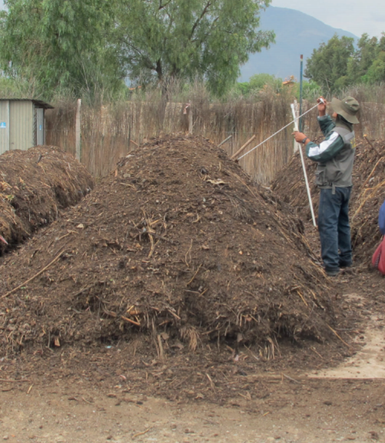
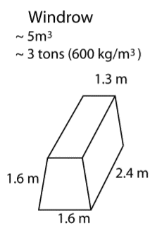
Windrow composting

Evaluation of composting potential based on the feedstock(s) entered by the user.

The information shown here is for a manually operated system with regular turning of windrows.

Summary of feedstocks and key properties
Please follow these steps to use the tool: a) enter your feedstock information in the white cells under "1) Feedstock input". b) check your mixture suitability in "2) Mixture suitability check" and follow the instructions until the mixture is suitable. c) read the tool results under "3) Results". Note that the results are valid only if the feedstock mixture is suitable!
1) Feedstock input
The tool copied your inptus from 1 Technology_check. Do not modify feedstocks and quantities here, return to 1 Technology_check to do so.

Type of feedstock | Mass [kg/day] | Key properties |  |  |  |  |  |  | Moisture content (wet base) | Total solids (wet base) | Volatile solids (dry base) | Ash (dry base) | Volatile Solids (VS) loading | BMP potential methane yield (VS) | Daily methane yield | Carbon (dry base) | Nitrogen (dry base) | Carbon to Nitrogen ratio |  | Total Solids | Carbon content | Nitrogen content
 |  | Moisture | Carbon content | Nitrogen content | C/N ratio |  |  |  | MC [%] (w.b.) | TS [%] (w.b.) | VS of TS [%] (d.b.) | Ash [%] (d.b.) | kgVS/d | m3 CH4/kg VS | m3 CH4/d | C % (d.b.) | N % (d.b.) | C/N ratio | Water content [kg H20] | TS content [kg] | C content [kg] | N content [kg]
Organic waste | 200 | High | Very high | Medium | 24 |  |  |  | 0.77 | 0.23 | 0.964 | 0.036 | 44.344 | 0.361 | 16.008 | 0.5302 | 0.021739130435 | 24.3892 | 154 | 46 | 24.3892 | 1

2) Mixture suitability check
Check that your feedstock mixture is suitable for anaerobic digestion, make the suggested changes until validation box is green

Water content | Your mixture is very wet, composting can work with a pretreatment step or add dry material

 | Reduce water by -85 L

C/N ratio | Acceptable

Can I use this technology with current inputs? | Yes, with pretreatment for dewatering & C/N ratio is acceptable but not optimal

3) Results
Consider the results only if the validation above is GREEN

Inputs |  |  |  |  |  |  | Products
 |  | Lower value | Higher value
 | Electricity [kWh/day] | 6.0 | 11.0 | None if fully manual |  |  | Compost produced [kg/day] | 80
 | Workers required [persons] | 1 | 2 | Only for operational activities. Might require: manager, accounting, supervision, marketing, maintenance depending on the scale of the system. |  |  |  | Lower value | Higher value
 |  |  |  |  |  |  | Leachate produced [L/day] | 1 | 20
 | Water [m3/ton] | 0 |  | Additional water might be required during the process depending on the local conditions / humidity and temperature

Design
 |  | Lower value | Higher value
 | Space requirement [m2] Considering 1.6x1.6x2.4 windrows | 36 | 60

Would you like to show the detailed parameters used for the calculations ? |  |  |  |  |  | No

Using the default values is recommended unless you are an experienced user of the tool and composting expert

 |  | Moisture content | Total solids
 | Mass [kg/day] | MC (-) | TS (-) | C/N ratio
Feedstock mix | 200 | 0.770 | 0.230 | 24.39

Physical process/ dewatering process

 | Preprocessing required? | No
 | Moisture content reduces to | 0.6 |  |  |  | Water extracted can be reused to water the dry compost piles. Manpower and electricity needs for dewatering are not included in the results above.
 | Moisture content | 0.770
 | Extracted fluid mass [kg] | 0.0

 |  | Moisture content | Total solids
 | Mass [kg/day] | MC (-) | TS (-) | C/N ratio
Feedstock mix | 200.0 | 0.770 | 0.230 | 24.39

 | Key parameters
 |  |  |  |  |  | References
 | Suitability factors
 | Water content max with pretreatment | 0.9 |  |  |  | Assumption
 |  | Minimum | Maximum
 | Process water content [%] (w.b.) | 0.4 | 0.6 |  |  | [1]
 | Optimal C/N ratio | 25 | 35 |  |  | [1]
 | Acceptable C/N ratio | 20 | 40 |  |  | Hypothesis, set to + and - 5 from optimal range
 | pH | 5.5 | 7.5 |  |  | [1]
 | Ambient temperature [°C] | 0 °C for big piles 15 °C for small piles |  |  |  | [1]

 | Composting parameters

 | Mass reduction factor | 0.4 |  |  |  | [1]
 | Time required [days] | 90 |  |  |  | [1]
 | Active composting [days] | 40 |  |  |  | Hypothesis
 | Average turning frequency [days] | 4 |  |  |  | Hypothesis
 | Total mass of materials undergoing composting in the plant [kg] | 14400 |  |  |  | Estimation, see specific formulas
 | Total mass of materials undergoing active composting in the plant [kg] | 6400 |  |  |  | Estimation, see specific formulas

 |  | Lower value | Higher value
 | Manpower requirement 1st ton of waste | 1 | 2 |  |  | [1]
 | Manpower required per additionnal ton of waste | 1 | 2.5 |  |  | [1]
 | Space requirement per ton of input feedstock per day [m2/(ton/day)] | 180 | 300 |  |  | [1]
 | Energy needs [kWh/(ton/day)] | 30 | 55 |  |  | [1]
 | Leachate production per ton of feedstock [L/ton] | 5 | 100 |  |  | [2]

1.2 AD
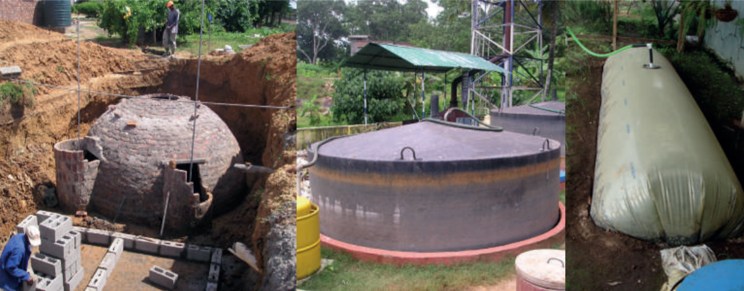
Anaerobic Digestion (AD)
Evaluation of the biogas production potential based on the feedstock(s) entered by the user.

The information shown here is for a continuous wet mesophilic digestion system, such as fixed or floating dome, balloon digester, as shown in the pictures.

Please follow these steps to use the tool: a) enter your feedstock information in the white cells under "1) Feedstock input". b) check your mixture suitability in "2) Mixture suitability check" and follow the instructions until the mixture is suitable. c) read the tool results under "3) Results". Note that the results are valid only if the feedstock mixture is suitable!

Summary of feedstocks and key properties
1) Feedstock input
The tool copied your inptus from 1 Technology_check. Do not modify feedstocks and quantities here, return to 1 Technology_check to do so.

Type of feedstock | Mass [kg/day] | Key properties |  |  |  |  |  |  | Moisture content (wet base) | Total solids (wet base) | Volatile solids (dry base) | Ash (dry base) | Volatile Solids (VS) loading | BMP potential methane yield (VS) | Daily methane yield | Carbon (dry base) | Nitrogen (dry base) | Carbon to Nitrogen ratio |  | Total Solids | Carbon content | Nitrogen content
 |  | Moisture | Carbon content | Nitrogen content | C/N ratio |  |  |  | MC [%] (w.b.) | TS [%] (w.b.) | VS of TS [%] (d.b.) | Ash [%] (d.b.) | kgVS/d | m3 CH4/kg VS | m3 CH4/d | C % (d.b.) | N % (d.b.) | C/N ratio | Water content [kg H20] | TS content [kg] | C content [kg] | N content [kg]
Organic waste | 200 | High | Very high | Medium | 24 |  |  |  | 0.77 | 0.23 | 0.964 | 0.036 | 44.344 | 0.361 | 16.008 | 0.5302 | 0.021739130435 | 24.3892 | 154 | 46 | 24.3892 | 1

2) Mixture suitability check
Check that your feedstock mixture is suitable for anaerobic digestion, make the suggested changes until validation box is green

Water content | Your mixture is too dense, you need to add water to have at least 0.85 moisture content. Current: 0.77

 | Add 107 L of water to your feedstock

C/N ratio | Optimal

Can I use this technology with current inputs? | No

3) Results
Consider the results only if the validation above is GREEN

Inputs |  |  |  |  |  |  | Products
 |  | Lower value | Higher value
Electricity [kWh/day] |  | 6.0 | 11.0 | For operation of the system (feeding pumps) |  |  | Potential biogas production [m3/day] | 17.5
 | Workers required [persons] | 1 | 1 | For operation and maintenance of the system |  |  | Digestate production [L/day] | 180
 | Water [L/day] | 0 |  | Amount added in your feedstock

Design |  |  |  |  |  |  | Potential outputs

Active bioreactor volume required [L] |  | 6000 |  | Excludes volume for gas storage |  |  | Hours of cooking on a household burner per day [h/day] | 53.7
 |  | Lower value | Higher value |  |  |  | # Household using a stove for 5 hours per day [] | 10.7
Space requirement [m2] |  | 20 | 106 | Depends on the type of technology available. Flexible bag / balloon digester have the highest footprint. |  |  | Biogas production day per unit of bioreactor volume [L/day/L] | 2.911

Would you like to show the detailed parameters used for the calculations ? |  |  |  |  |  | No

Using the default values is recommended unless you are an experienced user of the tool and AD expert

 |  | Moisture content | Total solids | Volatile solids |  | Ash | VS loading | Daily methane yield
...

1.3 BSF
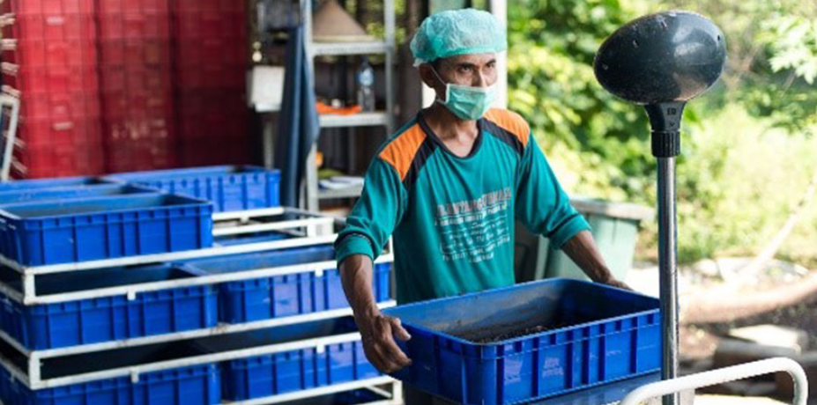
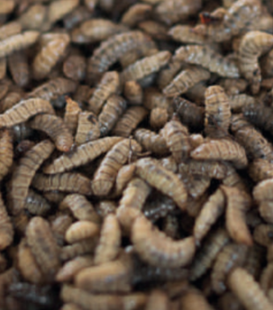
Black Soldier Fly (BSF)
Evaluation of the Black Soldier Fly treatment potential based on the feedstock(s) entered by the user.

The information shown here is for a simple, manualy operated BSF facility.

Please follow these steps to use the tool: a) enter your feedstock information in the white cells under "1) Feedstock input". b) check your mixture suitability in "2) Mixture suitability check" and follow the instructions until the mixture is suitable. c) read the tool results under "3) Results". Note that the results are valid only if the feedstock mixture is suitable!

Summary of feedstocks and key properties
1) Feedstock input
The tool copied your inptus from 1 Technology_check. Do not modify feedstocks and quantities here, return to 1 Technology_check to do so.

Type of feedstock | Mass [kg/day] | Key properties |  |  | Suitability for BSF | Moisture content (wet base) | Total solids (wet base) | Volatile solids (dry base) | Ash (dry base) | Volatile Solids (VS) loading | BMP potential methane yield (VS) | Daily methane yield
 |  | Moisture | Carbon content | Nitrogen content |  | MC [%] (w.b.) | TS [%] (w.b.) | VS of TS [%] (d.b.) | Ash [%] (d.b.) | kgVS/d | m3 CH4/kg VS | m3 CH4/d
Organic waste | 200 | High | Very high | Medium | Suitable | 0.77 | 0.23 | 0.964 | 0.036 | 44.344 | 0.361 | 16.008
...

